Provisional Budget
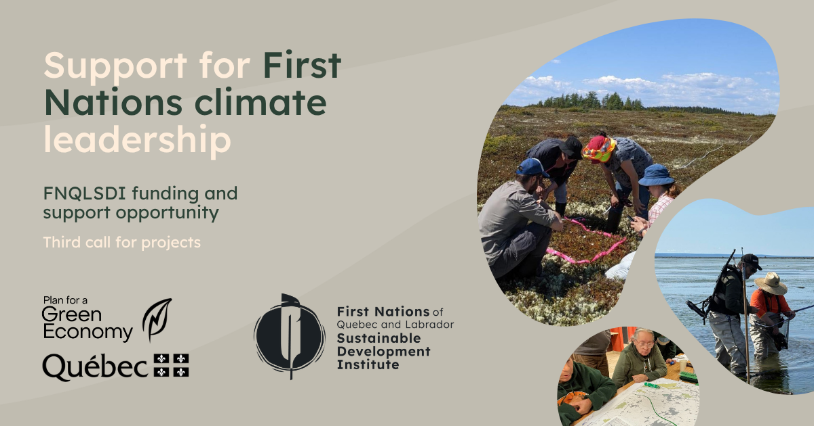
PROVISIONAL BUDGET

Fill in only the blank cells.
The expense categories must not be changed.

Information on the Project Leader
Project Leader:
Project Title:
Contact Person :
Email Address:
Phone Number:

FISCAL YEAR 1
Expense Category |  | Expenses Details | Funding Requested from the PGE | Contributions from the project leader |  | Contributions from Partner #1 |  | Contributions from Partner #2 |  | Contributions from Partner #3 |  | Additional Information
 |  |  |  | [Name of your organization] |  | [Partner #1 Name, if applicable] |  | [Partner #2 Name, if applicable] |  | [Partner #3 Name, if applicable]
 |  |  | In cash | In cash | In-kind | In cash | In-kind | In cash | In-kind | In cash | In-kind
Salaries and benefits (staff, interns, temporary employees, etc.)
Scholarships awarded to students
Professional fees
Transportation, meals, and accomodation
Workshops and community meetings
Communication activities
Development or acquisition of facilities
Purchase or rental of equipment for the project
Data acquisition
Subtotal |  |  | - $ | N/A | N/A | N/A | N/A | N/A | N/A | N/A | N/A | N/A
Administrative expenses (up to 10% of the total) |  |  |  | N/A | N/A | N/A | N/A | N/A | N/A | N/A | N/A | N/A
Total expenditures |  |  | - $ | - $ | - $ | - $ | - $ | - $ | - $ | - $ | - $ | N/A

FISCAL YEAR 2
Expense Category |  | Expenses Details | Funding Requested from the PGE | Contributions from the project leader |  | Contributions from Partner #1 |  | Contributions from Partner #2 |  | Contributions from Partner #3 |  | Additional Information
 |  |  |  | [Name of your organization] |  | [Partner #1 Name, if applicable] |  | [Partner #2 Name, if applicable] |  | [Partner #3 Name, if applicable]
 |  |  | In cash | In cash | In-kind | In cash | In-kind | In cash | In-kind | In cash | In-kind
Salaries and benefits (staff, interns, temporary employees, etc.)
Scholarships awarded to students
Professional fees
Transportation, meals, and accomodation
Workshops and community meetings
Communication activities
Development or acquisition of facilities
Purchase or rental of equipment for the project
Data acquisition
Subtotal |  |  | - $ | N/A | N/A | N/A | N/A | N/A | N/A | N/A | N/A | N/A
Administrative expenses (up to 10% of the total) |  |  | - $ | N/A | N/A | N/A | N/A | N/A | N/A | N/A | N/A | N/A
Total expenditures |  |  | - $ | - $ | - $ | - $ | - $ | - $ | - $ | - $ | - $ | N/A

FISCAL YEAR 3
Expense Category |  | Expenses Details | Funding Requested from the PGE | Contributions from the project leader |  | Contributions from Partner #1 |  | Contributions from Partner #2 |  | Contributions from Partner #3 |  | Additional Information
 |  |  |  | [Name of your organization] |  | [Partner #1 Name, if applicable] |  | [Partner #2 Name, if applicable] |  | [Partner #3 Name, if applicable]
 |  |  | In cash | In cash | In-kind | In cash | In-kind | In cash | In-kind | In cash | In-kind
Salaries and benefits (staff, interns, temporary employees, etc.)
Scholarships awarded to students
Professional fees
Transportation, meals, and accomodation
Workshops and community meetings
Communication activities
Development or acquisition of facilities
Purchase or rental of equipment for the project
Data acquisition
Subtotal |  |  | - $ | N/A | N/A | N/A | N/A | N/A | N/A | N/A | N/A | N/A
Administrative expenses (up to 10% of the total) |  |  | - $ | N/A | N/A | N/A | N/A | N/A | N/A | N/A | N/A | N/A
Total expenditures |  |  | - $ | - $ | - $ | - $ | - $ | - $ | - $ | - $ | - $ | N/A

The table below is calculated automatically.

SUMMARY

Sources of Funding | Total Expenses
Total funding requested from the Plan for a Green Economy (PGE) | - $
Total cash contributions from your organization/partners | - $
Total in-kind contributions from your organization/partners | - $
Total Project Cost | - $

