Budget provisoire
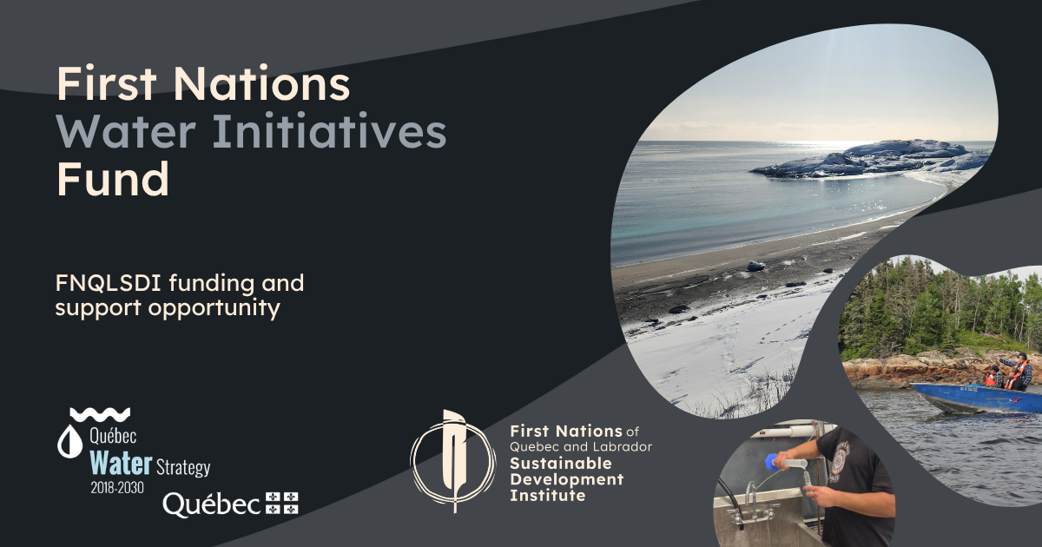

BUDGET

***Project-related expenses become eligible on reception of the project approval letter***

Fill in only the blank cells. The expense categories must not be changed.. The cells in the “Total” and “Subtotal” columns and rows contain built-in formulas for automatic calculations

Project Leader :
Project Title :
Contact Person :
Email Address :
Phone Number :

FISCAL YEAR 1 (2026-2027)
Expense Category |  |  | Total | Cash Contribution From the First Nations Water Initiatives Fund | OPTIONAL Contribution From Your Organization |  | OPTIONAL Partner #1 Contribution [ENTER THE PARTNER'S NAME] |  | OPTIONAL Partner #2 Contribution [ENTER THE PARTNER'S NAME] |  | Notes
 |  | Description or Details |  | Cash | Cash | In-kind | Cash | In-kind | Cash | In-kind
Salaries and benefits for staff and interns |  |  | $-
Professional services fees |  |  | $-
Rental or renovation of premises (up to 10% of the total amount) |  |  | $-
Training costs related to project objectives |  |  | $-
Expenses related to communication activities, including translation |  |  | $-
Travel expenses within Quebec related to project activities, not exceeding the National Joint Council's rates |  |  | $-
Expenses related to workshops, meetings and ceremonies in First Nations communities |  |  | $-
Purchase or rental of specialized equipment for project activities |  |  | $-
Rental of vehicles or private transportation |  |  | $-
Subtotal |  |  | $- | $- | $- | $- | $- | $- | $- | $-
Administrative fees (up to 10% of the total) |  |  | $- |  | S/O | S/O | S/O | S/O | S/O | S/O
Total expenses |  |  | $- | $- | $- | $- | $- | $- | $- | $-

FISCAL YEAR 2 (2027-2028)
Expense Category |  |  | Total | Cash Contribution From the First Nations Water Initiatives Fund | OPTIONAL Contribution From Your Organization |  | OPTIONAL Partner #1 Contribution [ENTER THE PARTNER'S NAME] |  | OPTIONAL Partner #2 Contribution [ENTER THE PARTNER'S NAME] |  | Notes
 |  | Description or Details |  | Cash | Cash | In-kind | Cash | In-kind | Cash | In-kind
Salaries and benefits for staff and interns |  |  | $-
Professional services fees |  |  | $-
Rental or renovation of premises (up to 10% of the total amount) |  |  | $-
Training costs related to project objectives |  |  | $-
Expenses related to communication activities, including translation |  |  | $-
Travel expenses within Quebec related to project activities, not exceeding the National Joint Council's rates |  |  | $-
Expenses related to workshops, meetings and ceremonies in First Nations communities |  |  | $-
Purchase or rental of specialized equipment for project activities |  |  | $-
Rental of vehicles or private transportation |  |  | $-
Subtotal |  |  | $- | $- | $- | $- | $- | $- | $- | $-
Administrative fees (up to 10% of the total) |  |  | $- |  | S/O | S/O | S/O | S/O | S/O | S/O
Total expenses |  |  | $- | $- | $- | $- | $- | $- | $- | $-

FISCAL YEAR 3 (2028-2029)
Expense Category |  |  | Total | Cash Contribution From the First Nations Water Initiatives Fund | OPTIONAL Contribution From Your Organization |  | OPTIONAL Partner #1 Contribution [ENTER THE PARTNER'S NAME] |  | OPTIONAL Partner #2 Contribution [ENTER THE PARTNER'S NAME] |  | Notes
 |  | Description or Details |  | Cash | Cash | In-kind | Cash | In-kind | Cash | In-kind
Salaries and benefits for staff and interns |  |  | $-
Professional services fees |  |  | $-
Rental or renovation of premises (up to 10% of the total amount) |  |  | $-
Training costs related to project objectives |  |  | $-
Expenses related to communication activities, including translation |  |  | $-
Travel expenses within Quebec related to project activities, not exceeding the National Joint Council's rates |  |  | $-
Expenses related to workshops, meetings and ceremonies in First Nations communities |  |  | $-
Purchase or rental of specialized equipment for project activities |  |  | $-
Rental of vehicles or private transportation |  |  | $-
Subtotal |  |  | $- | $- | $- | $- | $- | $- | $- | $-
Administrative fees (up to 10% of the total) |  |  | $- |  | S/O | S/O | S/O | S/O | S/O | S/O
Total expenses |  |  | $- | $- | $- | $- | $- | $- | $- | $-

SUMMARY

Sources of Funding | Total Expenses
Total funding requested from the First Nations Water Initiatives Fund | $-
Total cash contributions from your organization and partners | $-
Total in-kind contributions from your organization and partners | $-
Total project cost | $-

